Sheet1
Initial Model
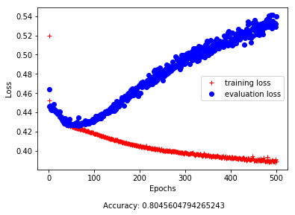
Neurons | Activation |  |  | Validation Accuaracy: |  | 80.45%
100 | Relu
50 | Relu |  |  |  |  | Predicted
25 | Relu |  |  |  |  | - | +
15 | Relu |  |  | Observed | - | 220707 | 2097
1 | Sigmoid |  |  |  | + | 54664 | 2690

Epochs: 500 |  |  |  | PPV: 56.19%

Short Model
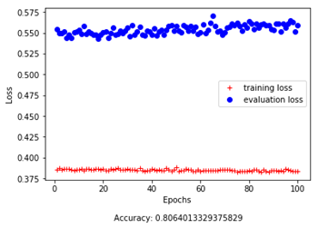
Neurons | Activation |  |  | Validation Accuaracy: |  | 80.64%
100 | Relu
50 | Relu |  |  |  |  | Predicted
25 | Relu |  |  |  |  | - | +
15 | Relu |  |  | Observed | - | 220383 | 2421
1 | Sigmoid |  |  |  | + | 54473 | 2881

Epochs: 100 |  |  |  | PPV: | 54.33%

Changed Learning Rate

Neurons | Activation |  |  | Validation Accuaracy: |  | 80.64%
100 | Relu
50 | Relu |  |  |  |  | Predicted
25 | Relu |  |  |  |  | - | +
15 | Relu |  |  | Observed | - | 220468 | 2336
1 | Sigmoid |  |  |  | + | 54493 | 2861

Epochs: 100 |  |  |  | PPV: | 55.05%
Learning Rate: 0.1

Reduced Learned Parameters
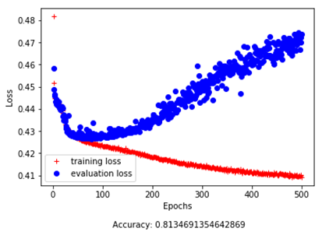
Neurons | Activation |  |  | Validation Accuaracy: |  | 81.34%
50 | Relu
25 | Relu |  |  |  |  | Predicted
15 | Relu |  |  |  |  | - | +
1 | Sigmoid |  |  | Observed | - | 222000 | 804
 |  |  |  |  | + | 56016 | 1338
Epochs: 500
 |  |  |  | PPV: | 62.46%

Short Version: Reduced Learned Parameters
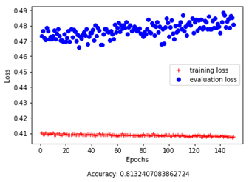
Neurons | Activation |  |  | Validation Accuaracy: |  | 81.32%
50 | Relu
25 | Relu |  |  |  |  | Predicted
15 | Relu |  |  |  |  | - | +
1 | Sigmoid |  |  | Observed | - | 222064 | 740
 |  |  |  |  | + | 56118 | 1236
Epochs: 150
 |  |  |  | PPV: | 62.55%

Regularization (L1 & L2 provided same results)
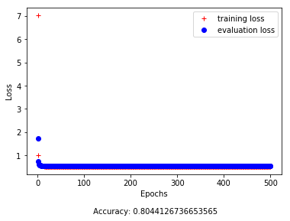
 |  |  |  | Predicted
 |  |  |  | - | +
 |  | Observed | - | 222804 | 0
 |  |  | + | 57354 | 0

 |  | PPV: N/A

Remove rows from dataset with all 0's (reduce sparsity)
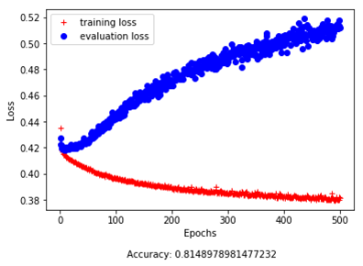
Neurons | Activation |  |  | Validation Accuaracy: |  | 81.48%
100 | Relu
50 | Relu |  |  |  |  | Predicted
25 | Relu |  |  |  |  | - | +
15 | Relu |  |  | Observed | - | 218124 | 1909
1 | Sigmoid |  |  |  | + | 52549 | 4805

Epochs: 500 |  |  |  | PPV: | 71.56%

Small version of 0-adjusted network
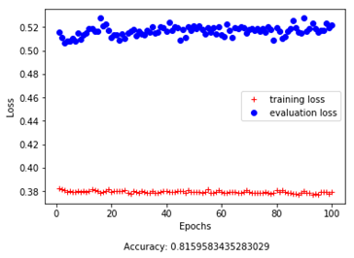
Neurons | Activation |  |  | Validation Accuaracy: |  | 81.59%
100 | Relu
50 | Relu |  |  |  |  | Predicted
25 | Relu |  |  |  |  | - | +
15 | Relu |  |  | Observed | - | 217747 | 2286
1 | Sigmoid |  |  |  | + | 52163 | 5191

Epochs: 100 |  |  |  | PPV: | 69.42%

